Dashboard_Portfolio
Clinical Dashboard — Portfolio

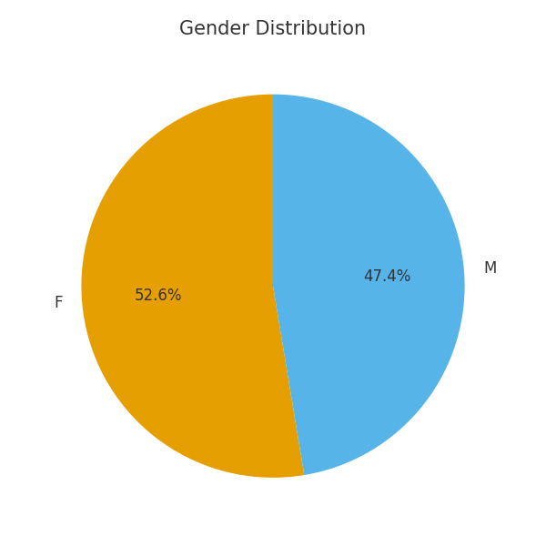
Total Patients | Total Contacts | Attendance Rate
194 | 882 | 80.5%

Average Length of Care (days) | % Discharged Died | Average Age
37.3 | 236.1% | 76.1
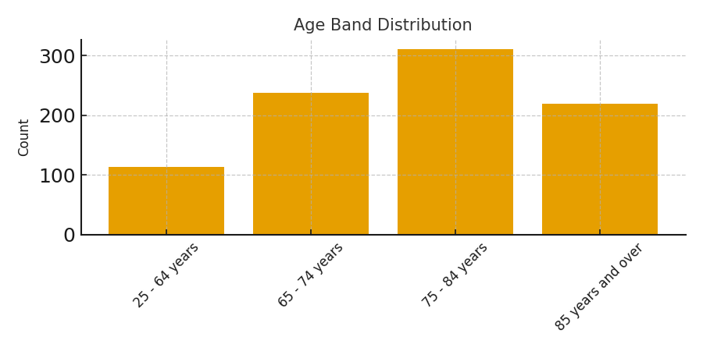

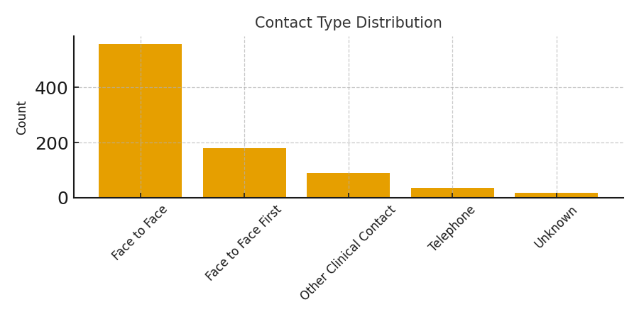

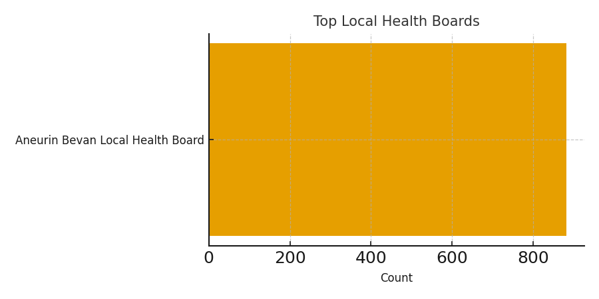

Notes: KPIs calculated from the Clinical dataset. Attendance rate = Attended / Total contacts. Average Length of Care in days. Portfolio-ready layout: KPIs top-left, charts right and below.

